Melhor Resultado
x1 = relu, x2 = adam, x3 = (8, 3, 5, 2), x4 = 0.0001, x5 = 2
Best MAE Test | 0.47463 | Previsao Test | Previsao Train
Best MAE Train | 0.22140995 | 2.70554 | 2.35198
Best MSE Test | 0.3380042 | 3.36228 | 1.96326
Best MSE Train | 0.09556268 | 2.3619 | 2.95444 | Configurações | Variavel | Parametros | Tamanho
Best RMSE Test | 0.58138 | 1.49762 | 0.456624 | Activation | x1 | relu | 1
Best RMSE Train | 0.30913 | 2.4059 | 1.41349 | Solver | x2 | adam, lbfgs | 2
Best Score Test | 0.825072 | 1.98057 | 1.95623 | Neuronios | x3 | 1-4 Layers, 1-8 Neuronios | 4680
Best Score Train | 0.9539708 | 3.48634 | 2.5748 | alpha | x4 | 0.01, 0.001, 0.001 | 3
 |  | 1.3008 | 3.80365 | Batch_Size | x5 | 2, 3, 4, 5, 6, 8 | 6
 |  | 2.65396 | 0.789862
 |  | 2.84461 | 1.79709
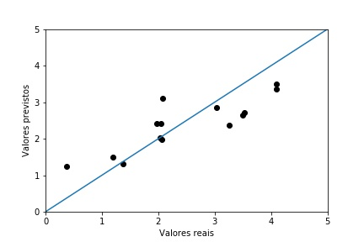
 |  | 3.09932 | 1.45283
 |  | 5.4299 | 2.31642
 |  | 1.24115 | 3.49409
 |  | 5.41761 | 0.467506
 |  | 2.02715 | 2.89019
 |  | 2.41102 | 0.55725
 |  |  | 0.627467
 |  |  | 1.7983
 |  |  | 1.33229
 |  |  | 1.7716
 |  |  | 0.710104
 |  |  | 3.22628
 |  |  | 1.44136
 |  |  | 5.22131
 |  |  | 1.38798
 |  |  | 3.68936
 |  |  | 1.51575
 |  |  | 4.00874
 |  |  | 5.22131
 |  |  | 1.39589
 |  |  | 5.22131
 |  |  | 1.42762
 |  |  | 3.13288
 |  |  | 5.22131
 |  |  | 1.5554
 |  |  | 3.82109
 |  |  | 1.40536
 |  |  | 2.56387
 |  |  | 5.22131
 |  |  | 1.27251
 |  |  | 5.22131
 |  |  | 1.61062
 |  |  | 5.22131
 |  |  | 3.28089
 |  |  | 1.71501
 |  |  | 3.45762
 |  |  | 5.22131
 |  |  | 1.43379
 |  |  | 1.72511
 |  |  | 1.2549
 |  |  | 1.74648
 |  |  | 3.54175
 |  |  | 1.50749
 |  |  | 4.71389
 |  |  | 1.65498
 |  |  | 3.35739
 |  |  | 1.29572
 |  |  | 1.59356
 |  |  | 3.27984
 |  |  | 1.58271
 |  |  | 4.85555
 |  |  | 1.4089
 |  |  | 1.65276
 |  |  | 2.81152
 |  |  | 1.2941
 |  |  | 1.64862
 |  |  | 2.91147

